1rt - July 3233_3234
Exp #2: July 2015 Data

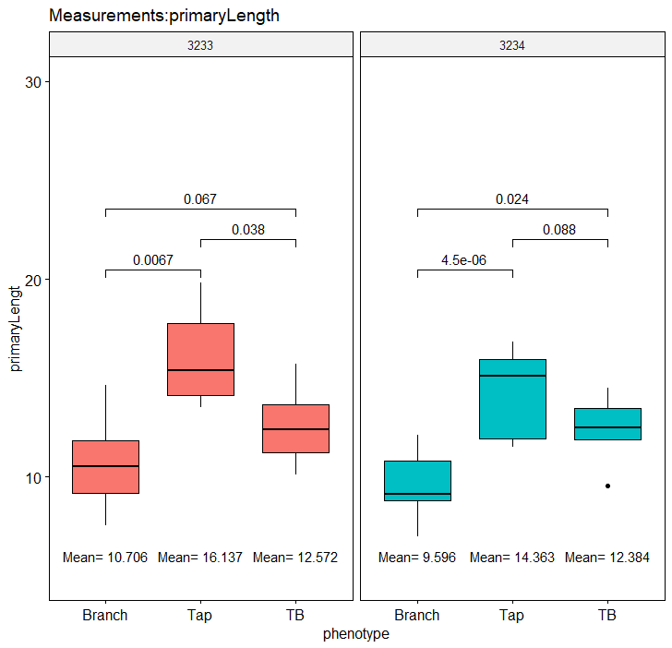
 | UMN3233 = Branch rooted cultivar |  |  |  |  |  |  | 1 | 2 | UMN3234 = Tap rooted cultivar
 |  |  | Primary rt comprising > 3 cm 2nd rt |  |  |  |  |  |  |  |  | Primary rt comprising > 3 cm 2nd rt

visual phenotype | Branch | Branch | Branch | TB | Branch | Branch | Tap |  |  | Tap | Branch | Branch | TB | Branch | Branch | Branch
 | 3233-1-B | 3233-2-B | 3233-3-B | 3233-4-TB | 3233-5-B | 3233-6-B | 3233-7-T |  |  | 3234-1-T | 3234-2-B | 3234-3-B | 3234-4-TB | 3234-5-B | 3234-7-B | 3234-8-B

primary rt total length (cm) | 12.5547 | 8.4478 | 14.6385 | 10.4592 | 10.53 | 11.5984 | 19.8386 |  |  | 11.4973 | 11.4204 | 11.1366 | 12.5022 | 9.7863 | 9.1644 | 12.1073
Length Primary rt comprising > 3 cm 2nd rt | 5.9647 | 2.2028 | 8.6384 | 4.5812 | 5.1519 | 5.7088 | 7.2763 |  |  | 4.7079 | 5.009 | 5.795 | 6.2737 | 4.549 | 6.9286 | 6.212

% Primary rt comprising > 3 cm 2nd rt | 47.51 | 26.08 | 59.01 | 43.80 | 48.93 | 49.22 | 36.68 |  |  | 40.95 | 43.86 | 52.04 | 50.18 | 46.48 | 75.60 | 51.31

